Results
Image | Object | Description | Date
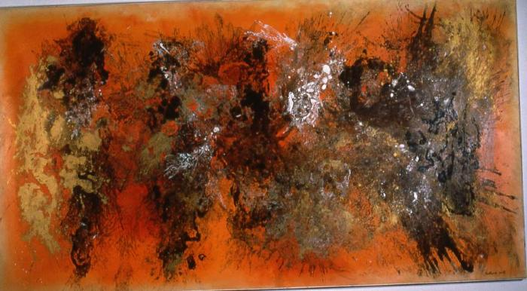 | The Burmese Nebula (1961.3.1) | Abstract painting by Vance Kirkland.
 | Untitled (Vance Kirkland)

