Results
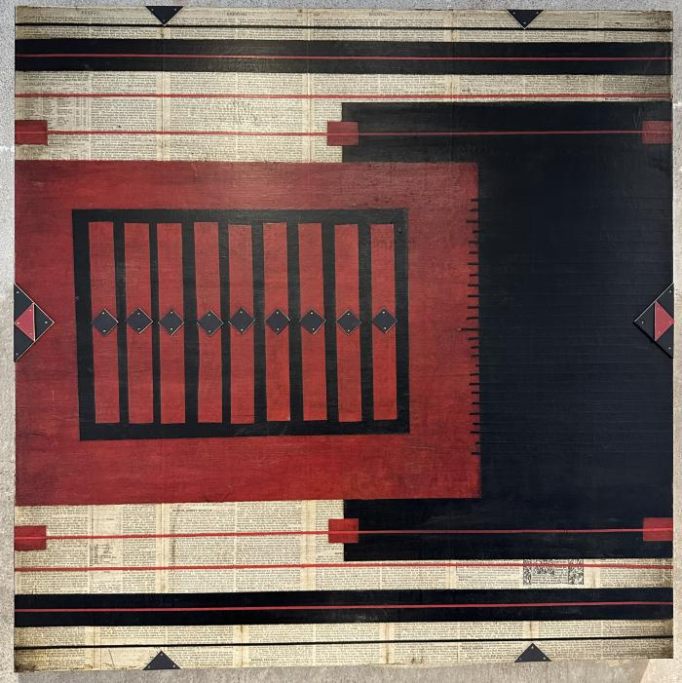
Image | Object | Description | Date
 | UNKNOWN (DAV19)

