Results
Image | Object | Description | Date
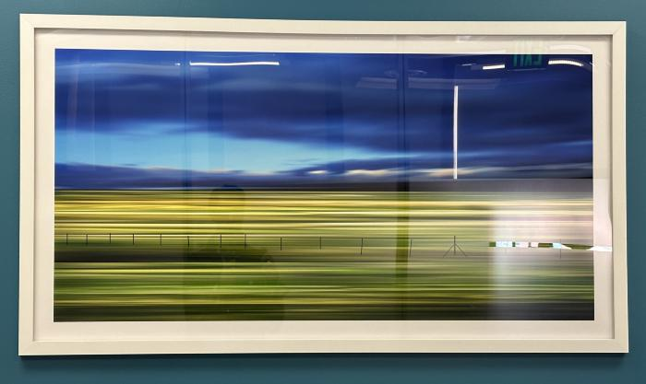 | Prairie 29 (DAV18)

