Results
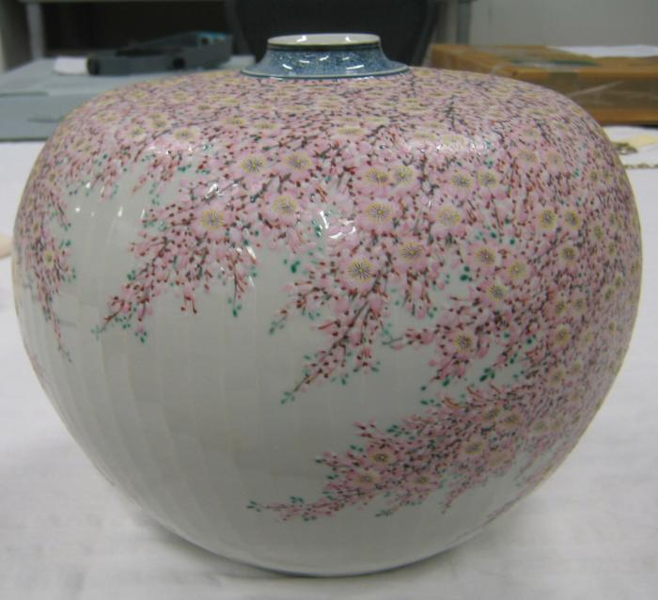
Image | Object | Description | Date
 | Shibukusa Ryuzo VI (DAV.2021.1)

